Q1.a.
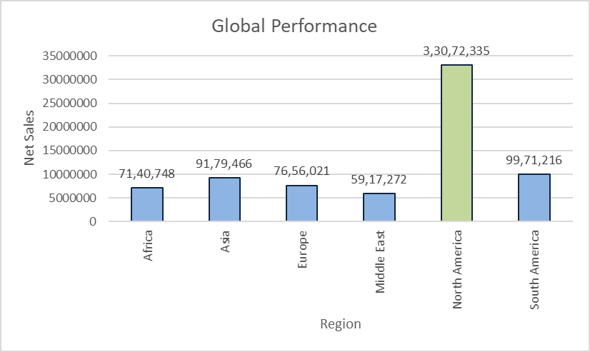
a. How is HMC performing globally?

Global Performance
Row Labels | Sum of Net Sales
2015 | 19780453.72
North America | 19780453.72
Canada | 3201109.083
Mexico | 3807156.608
USA | 12772188.029
2016 | 13291881.531
North America | 13291881.531
Canada | 847071.63975
Mexico | 948784.98049
USA | 11496024.911
Grand Total | 33072335.251

1.b.
b. | How are various HMC brands performing?

 | Row Labels | Sum of Net Revenue | Sum of Net Sales
 | Apechete | 5295857.6446 | 30393090.749
 | Jackson | 2350514.289 | 15281226.176
 | Special | 337745.85398 | 6019869.3099
 | Tatra | 2097906.1181 | 21242873.341
 | Grand Total | 10082023.906 | 72937059.577

1.c
c. | How are the various sales channels performing?

 | Row Labels | Sum of After-tax | Sum of Net Sales | Sum of Net Revenue
 | Dealer/Self Registration | 3320856.2971 | 19579321.658 | 4536305.9478
 | Rental | 3320856.2971 | 19579321.658 | 4536305.9478
 | Cash | 1135139.7817 | 6901725.6627 | 1552433.7935
 | Financing | 1022154.4615 | 5758686.8622 | 1377520.4928
 | Leasing | 1163562.054 | 6918909.1335 | 1606351.6615
 | Fleet | 18533.736038 | 26869518.965 | 1375859.2753
 | Commercial Accounts | 483462.4988 | 12533919.545 | 1110363.8014
 | Cash | 258649.43272 | 4775468.3818 | 499744.27397
 | Financing | 136677.34221 | 3323752.2991 | 314075.20184
 | Leasing | 88135.723864 | 4434698.8637 | 296544.32553
 | Employee/Partner Programs | -464928.76276 | 14335599.421 | 265495.47392
 | Cash | -352409.84463 | 4645034.7043 | -99429.470904
 | Financing | -85879.241046 | 4236868.7345 | 125347.84517
 | Leasing | -26639.677082 | 5453695.9821 | 239577.09966
 | Retail | 2690861.9819 | 26488218.953 | 4169858.6826
 | Government | -599199.19098 | 10678568.344 | -30487.849972
 | Cash | -75879.139308 | 3508332.125 | 118698.08411
 | Financing | -254605.62127 | 3304901.4764 | -88931.537752
 | Leasing | -268714.4304 | 3865334.7423 | -60254.396329
 | Non-Employee | 3290061.1729 | 15809650.609 | 4200346.5325
 | Cash | 872145.10837 | 4510850.9737 | 1151597.1304
 | Financing | 1221836.5825 | 5872415.9645 | 1563890.2267
 | Leasing | 1196079.482 | 5426383.6711 | 1484859.1755
 | Grand Total | 6030252.0151 | 72937059.577 | 10082023.906

1.d
 | d. | What are the most & least profitable models?

Brand that are profitable for years 2016,2015,2014
 |  | Row Labels | Sum of Net Revenue
 |  | Jespie | -1551119.8644
 |  | Mortimer | -1178131.8944
 |  | Core | -414976.4
#REF! |  | Mud | -331286.90718
#REF! |  | Stork | -225565.19783
 |  | Trido | -218731.46722
 |  | Clik | -217439.87925
 |  | Performance | -32724.34387
 |  | Rambler | -6008.4568873
 |  | Lift | 8051.5579225
 |  | Salsa | 146440.54489
 |  | Gazelle | 249826
 |  | Brutus | 294077.82756
 |  | Sparro | 326572.50972
 |  | Fiddle | 379024.31407
 |  | Robin | 394727.29496
 |  | Wood | 481422.33503
 |  | Crux | 493206.82645
Net revenue |  | Pebble | 829818.92166
 |  | Rebel | 926194.3623
 |  | Chare | 1330559.6386
 |  | Bloom | 1716402.942
 |  | Advantage | 3132052.7972
 |  | Grand Total | 6532393.4613

 | 19

 | 13

Q2.a.
 | . Financial Analytics:
a. | What is the current CM per model
Current CM per Model
 | Row Labels | Sum of Contribution Margin | Average of Contribution Margin2
 | Advantage | 4109812.8927 | 15,110
 | Pebble | 2732818.5371 | 16,463
 | Summet | 2452936.1855 | 20,106
 | Bloom | 2395785.2411 | 18,150
 | Chare | 2390027.5417 | 25,158
 | Island | 1373603.4843 | 11,841
 | Wood | 1271877.0657 | 18,170
 | Rebel | 1201986.6334 | 18,781
 | Robin | 1201833.3755 | 12,018
 | Crux | 864476.38089 | 14,172
 | Spark | 726057.38724 | 10,372
 | Gazelle | 675030.36 | 10,075
 | Fiddle | 663528.86447 | 10,532
 | Sparro | 662722.81068 | 13,807
 | Rambler | 632767.48985 | 3,930
 | Brutus | 628372.84254 | 8,850
 | Salsa | 553169.0654 | 8,510
 | Trido | 447708.83117 | 6,783
 | Performance | 327360.5544 | 5,644
 | Stork | 319510.28391 | 6,028
 | Lift | 224684.93638 | 4,494
 | Clik | 40464.232375 | 723
 | Mud | -10290.555772 | -147
 | Core | -100179.008 | -1,354
 | Mortimer | -265165.49589 | -1,163
 | Jespie | -372485.50401 | -1,321
 | Grand Total | 25148414.433 | 9,384

2.b
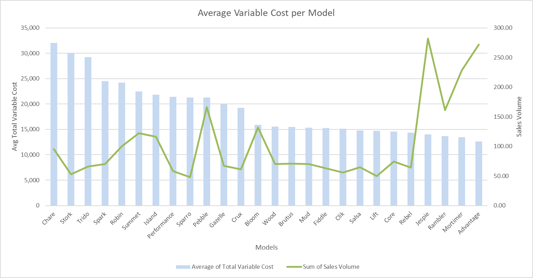
Average Variable Cost per Model - 2016,2015,2014
 | 2016 | 2015 | 2014
Advantage | 12629.55 | 12563.09
Bloom |  | 16002.01 | 15754.70
Brutus |  | 15606.83 | 15378.04
Chare | 34298.28 | 22548.81 | 35635.67
Clik | 15205.74 | 15083.73
Core | 14579.09 | 14574.77
Crux | 19460.28 | 19062.81
Fiddle | 15466.99 | 15111.89
Gazelle |  | 19954.97 | 20003.16
Jespie | 14113.31 | 13883.72
Lift | 14733.25 | 14699.36
Mortimer | 13547.35 | 13412.82
Mud | 15463.49 | 15184.98
Pebble |  |  | 21508.78
Performance |  |  | 21691.70
Rambler |  |  | 13835.90
Rebel | 14396.99 | 14331.82
Robin |  | 24332.24 | 24138.60
Salsa |  | 14903.08
Sparro | 21469.92 | 21017.74
Stork | 30375.16 | 29824.17
Trido |  | 29351.70 | 29076.31
Wood |  |  | 15732.60
b. | What the average variable cost per model and how has that changed over time?
 | Average of Total Variable Cost | Column Labels
 | Row Labels | 2016 | 2015 | 2014 | Grand Total
 | Advantage | 12629.55 | 12563.09 |  | 12596.32
 | Bloom |  | 16002.01 | 15754.70 | 15887.73
 | Brutus |  | 15606.83 | 15378.04 | 15500.49
 | Chare | 34298.28 | 22548.81 | 35635.67 | 31999.68
 | Clik | 15205.74 | 15083.73 |  | 15144.73
 | Core | 14579.09 | 14574.77 |  | 14576.93
 | Crux | 19460.28 | 19062.81 |  | 19251.77
 | Fiddle | 15466.99 | 15111.89 |  | 15297.89
 | Gazelle |  | 19954.97 | 20003.16 | 19976.55
 | Jespie | 14113.31 | 13883.72 |  | 13995.26
 | Lift | 14733.25 | 14699.36 |  | 14715.63
 | Mortimer | 13547.35 | 13412.82 |  | 13480.09
 | Mud | 15463.49 | 15184.98 |  | 15324.23
 | Pebble |  |  | 21508.78 | 21508.78
 | Performance |  |  | 21691.70 | 21691.70
 | Rambler |  |  | 13835.90 | 13835.90
 | Rebel | 14396.99 | 14331.82 |  | 14364.41
 | Robin |  | 24332.24 | 24138.60 | 24243.17
 | Salsa |  | 14903.08 |  | 14903.08
 | Sparro | 21469.92 | 21017.74 |  | 21272.09
 | Stork | 30375.16 | 29824.17 |  | 30073.67
 | Trido |  | 29351.70 | 29076.31 | 29226.52
 | Wood |  |  | 15732.60 | 15732.60
 | Grand Total | 16272.57 | 16503.27 | 20065.88 | 17205.26

2.c.
c. | Which model has the most variability in variable costs?
VARIABILITY
 | Row Labels | StdDev of Total Variable Cost
 | Chare | 6521.034296
 | Bloom | 2783.931352
 | Spark | 2090.2953605
 | Core | 1774.7766296
 | Crux | 1573.4513908
 | Rebel | 1543.540197
 | Island | 1493.9861269
 | Summet | 1289.2482994
 | Stork | 1211.5677157
 | Advantage | 1207.6362768
 | Mud | 1198.5881709
 | Lift | 1161.8567573
 | Performance | 1115.4995508
 | Wood | 1112.9342614
 | Trido | 1050.6435247
 | Rambler | 1035.5416917
 | Clik | 1024.8458123
 | Sparro | 1022.5315789
 | Jespie | 1002.6826914
 | Gazelle | 986.14516642
 | Pebble | 977.14428863
 | Mortimer | 897.53964056
 | Robin | 890.08088937
 | Salsa | 849.60710582
 | Fiddle | 836.73629461
 | Brutus | 771.39603291
 | Grand Total | 5571.0197571

2.d
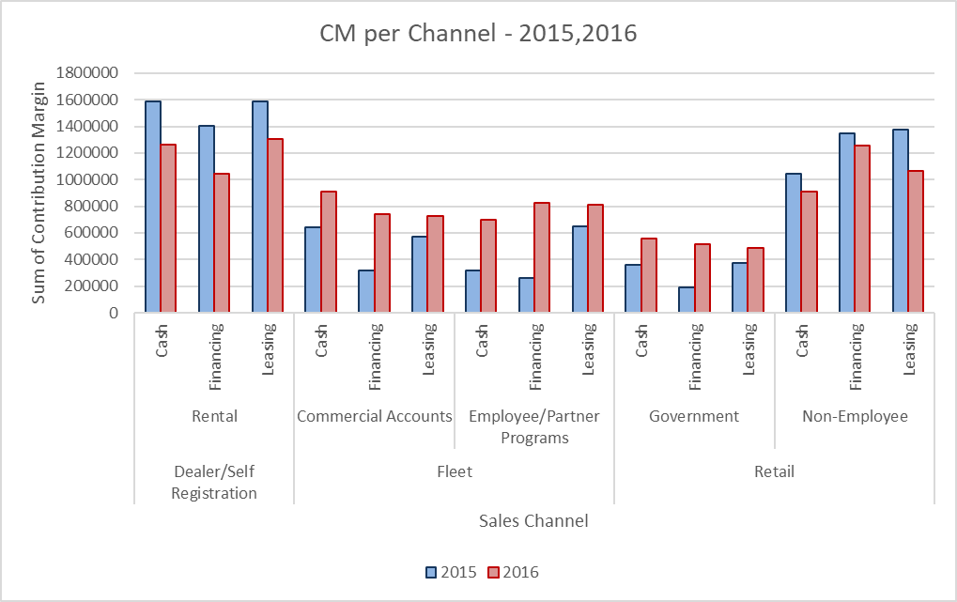
c | What is the current CM per channel?
Overall CM per Channel
 | Row Labels | Sum of Contribution Margin
 | Dealer/Self Registration | 8196516.7384
 | Rental | 8196516.7384
 | Cash | 2853905.3439
 | Financing | 2446044.5273
 | Leasing | 2896566.8671
 | Fleet | 7472032.202
 | Commercial Accounts | 3904214.2971
 | Cash | 1552341.4883
 | Financing | 1052543.6136
 | Leasing | 1299329.1952
 | Employee/Partner Programs | 3567817.9048
 | Cash | 1012832.5917
 | Financing | 1089791.776
 | Leasing | 1465193.5371
 | Retail | 9479865.4924
 | Government | 2482458.347
 | Cash | 917786.61782
 | Financing | 704842.7703
 | Leasing | 859828.95887
 | Non-Employee | 6997407.1454
 | Cash | 1956786.427
 | Financing | 2600350.4233
 | Leasing | 2440270.2951
 | Grand Total | 25148414.433

Q3.a
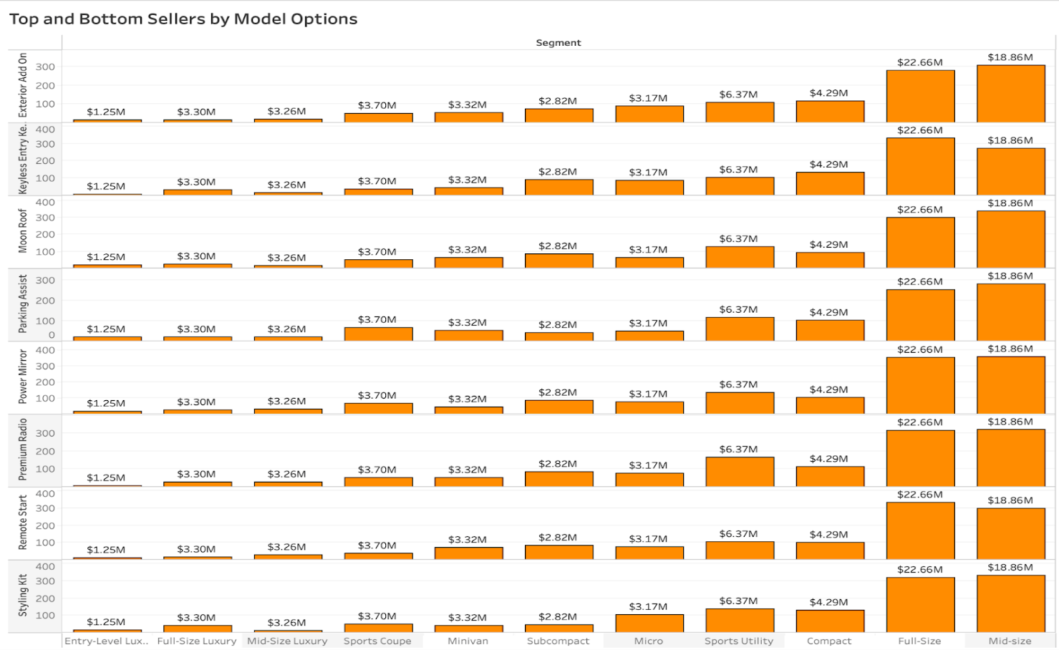
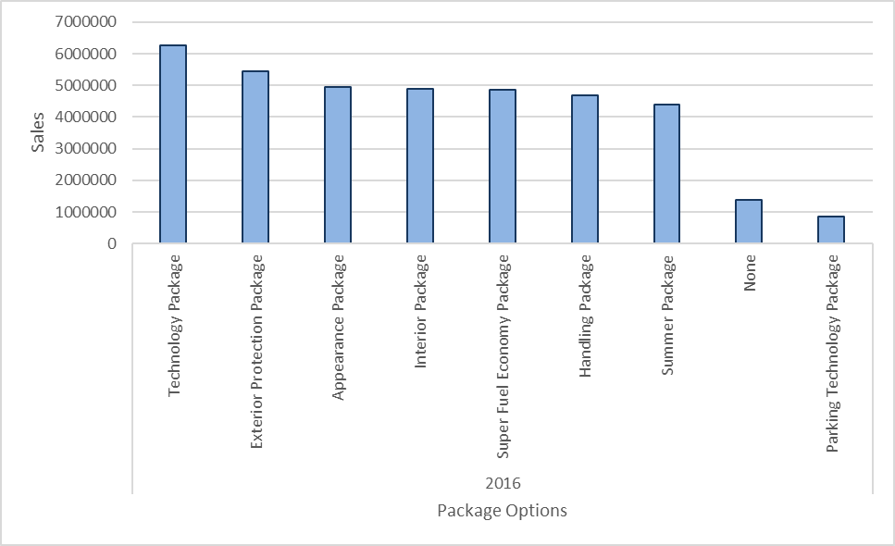
a. | What model options are the top and bottom sellers?

 | Row Labels | Moon_Roof | Parking_Assist | Remote_Start | Keyless_Entry Keypad | Premium_Radio | Styling_Kit | Exterior_Add On | Power_Mirror
 | 2016 | 499125 | 460230 | 251175 | 382720 | 451560 | 265440 | 313500 | 243090
 | Grand Total | 499125 | 460230 | 251175 | 382720 | 451560 | 265440 | 313500 | 243090

ADD - ON Options Analysis

3.a.ii
a. | What model options are the top and bottom sellers?
Total Sales Volume per Model
 | Row Labels | Sum of Sales Volume | Sum of Net Sales
 | Jespie | 282 | 3574178.027
 | Advantage | 272 | 7536012.7231
 | Mortimer | 228 | 2808294.3264
 | Pebble | 166 | 6262795.016
 | Rambler | 161 | 2831423.3225
 | Bloom | 132 | 4492964.9422
 | Summet | 122 | 5191093.4061
 | Island | 116 | 3909197.0895
 | Robin | 100 | 3626150.0111
 | Chare | 95 | 5429997.5781
 | Core | 74 | 978514
 | Brutus | 71 | 1728907.5953
 | Wood | 70 | 2361734.1605
 | Spark | 70 | 2438104.2063
 | Mud | 70 | 1062405.6336
 | Gazelle | 67 | 2013459
 | Trido | 66 | 2376659.4556
 | Salsa | 65 | 1513190.0837
 | Rebel | 64 | 2121308.7593
 | Fiddle | 63 | 1627295.9941
 | Crux | 61 | 2038834.5209
 | Performance | 58 | 1568306.1036
 | Clik | 56 | 888569.2337
 | Stork | 53 | 1913414.9513
 | Lift | 50 | 960466.19528
 | Sparro | 48 | 1683783.2417
 | Grand Total | 2680 | 72937059.577

3.b.
Models on the Lot prior to Sale
b. | How many days are the various models on the lot prior to sale?

 | Row Labels | Average of Days on Lot
 | Island | 146.75
 | Rebel | 139.25
 | Trido | 136.96969697
 | Clik | 132.53571429
 | Rambler | 130.13043478
 | Spark | 126
 | Sparro | 125.1875
 | Salsa | 124.78461538
 | Chare | 123.86315789
 | Fiddle | 123.15873016
 | Lift | 121.14
 | Mud | 120.2
 | Crux | 119.91803279
 | Stork | 119.20754717
 | Core | 117.7027027
 | Jespie | 117.56382979
 | Performance | 116.17241379
 | Gazelle | 113.53731343
 | Bloom | 111.13636364
 | Brutus | 110.26760563
 | Wood | 108.01428571
 | Pebble | 107.27710843
 | Robin | 106.91
 | Mortimer | 102.97368421
 | Advantage | 95.661764706
 | Summet | 92.295081967
 | Grand Total | 115.46380597

 | Row Labels | Sum of Days on Lot
 | Advantage | 26020
 | Bloom | 14670
 | Brutus | 7829
 | Chare | 11767
 | Clik | 7422
 | Core | 8710
 | Crux | 7315
 | Fiddle | 7759
 | Gazelle | 7607
 | Island | 17023
 | Jespie | 33153
 | Lift | 6057
 | Mortimer | 23478
 | Mud | 8414
 | Pebble | 17808
 | Performance | 6738
 | Rambler | 20951
 | Rebel | 8912
 | Robin | 10691
 | Salsa | 8111
 | Spark | 8820
 | Sparro | 6009
 | Stork | 6318
 | Summet | 11260
 | Trido | 9040
 | Wood | 7561

Q4.a.
a. | Sales Volume ‐ 4 quarters in advance (Hint: use Trendline option in Excel or Forecast option in Tableau)

 | Row Labels | Sum of Sales Volume
 | 2015 | 1317
 | Q1 | 423
 | Q2 | 256
 | Q3 | 336
 | Q4 | 302
 | 2016 | 1363
 | Q1 | 422
 | Q2 | 281
 | Q3 | 351
 | Q4 | 309
 | Grand Total | 2680

Q4.b.
b. Contribution Margin ‐ 4 quarters in advance (Hint: use Trendline option in Excel or Forecast option in Tableau)

Row Labels | Sum of Contribution Margin
2015 | 12034121.484
Q1 | 4177013.6741
Q2 | 2283704.0416
Q3 | 2786448.7778
Q4 | 2786954.9904
2016 | 13114292.949
Q1 | 4373520.8511
Q2 | 2600339.9185
Q3 | 3080827.7236
Q4 | 3059604.4555
Grand Total | 25148414.433

